PART CD
Danby Model: DIM32D2BSSPR
Factory Model: JG36I
Effective Date: March.2022
Revision: Build code=00
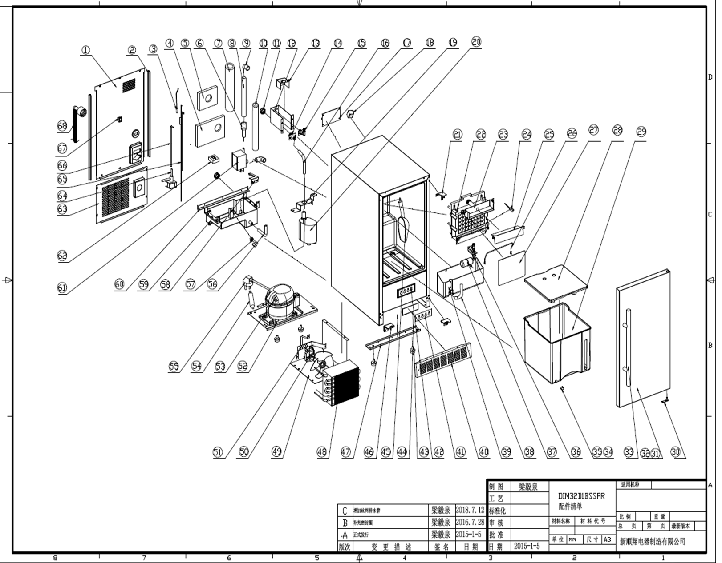
NO | PART NUMBER | PART DESCRIPTION (ENG) | QTY | PARTS SPECIFICATION | Notes
1 | DG22-464 | DIM32 REAR COVER | 1 | Q235A, black
2 | KT-120 | Plastic strip of rear cover | 2 | black | Special Order
3 | DG8-28 | SENSER L=950mm | 1 | L=950mm,24AWG BK,φ5
4 | FL-480 | insulation cotton of upper pipe | 1 | 120*100*10，XPE | Special Order
5 | FL-479 | insulation cotton of lower pipe | 1 | 195*125*10，XPE | Special Order
6 | DG13-3128 | DIM32 SILICONE WATER TUBE | 1 | silicone ，ID:φ17
6 | FL-405 | Cable Ties(8*405) | 2 | 8*405 | Special Order
7 | FL-476 | insulation cotton of connection pipe | 1 | ￠55*750 t=10mm，XPE | Special Order
8 | DG13-3025 | DIM32 WATER PIPE | 1 | Rifeng pipe,L=250MM,OD:Φ20,ID:Φ15,white PPR
9 | DG13-479 | DIM32 1717 WATER PIPE CONNECTOR | 2 | silicone tube
9 | FL-405 | Cable Ties(8*405) | 4 | 8*405 | Special Order
10 | FL-475 | DIM INSULATION COTTON | 1 | ￠35*420 t=8mm，XPE | Special Order
11 | DG13-453 | DIM SCREW NUT with washer | 2 | black nut and white washer
12 | DG22-482 | Bracket of the connection | 1 | A3，δ=0.6，black | Special Order
13 | DG22-3017 | DIM32 CONNECTOR COVER | 1 | A3，δ=0.6，black | Special Order
14 | DG13-454 | DIM32 WATER OUTLET PIPE CONNECTR | 1 | black,ABS，50*30*51
15 | DG13-455 | DIM32 WATER INLET PIPE CONNECTOR | 1 | whiteABS+SS
15.1 | DG13-477 | Screw of Water inlet pipe connector | 1 | white ABS
16 | DG13-451 | DIM DRAIN WATER PIPE | 1 | silicone tube，ID:φ11
17 | DG3-103-1 | DIM32 PCB BOARD | 1
18 | DG6-8 | TRANSFORMER | 1 | DB48-A55m or DB41-A45 or DB41X26.5 or EI48-120, AC120V 60Hz
19 | DG22-3015 | DIM FIXTURE OF DRAIN PUMP | 1 | 119x39，black | Special Order
20 | DG12-125 | DIM32 DRAIN PUMP | 1 | HB-D333, 115V,HB-D333
21 | DG14-243-SL | DIM TOP HINGE MODULE LEFT | 1 | 50*50*34*3.0， wheelbase12/33
21 | DG14-243-SR | DIM TOP HINGE MODULE,RIGHT | 1 | 50*50*34*3.0， wheelbase12/33
22 | DG12-177-1 | Ice maker module(evaporator) | 1 | ice maker with plate
23 | DG13-433 | DIM WATER CIRCULATION BOX | 1 | whiteABS
24 | DG9-13 | REED SWITCH | 1 | white
25 | DG13-476 | DIM32 BAFFL PLAT OF WATR INLT BX | 1 | white ABS
26 | DG22-488 | DIM PERCH | 1 | φ5 SS
27 | DG13-432 | Deflector plate | 1 | white ABS
28 | DG13-429 | DIM32 BOTTOM BOARD OF ICE BOX | 1 | white ABS
29 | DG13-425 | DIM ICE BOX | 1 | white ABS
30 | DG14-116-S | Door axis | 1 | 41.5*12, asix φ8
31 | DG23-149-3 | Foaming Door | 1 | foaming door
32 | M160-047 | DIM32 GASKET | 1 | M160,346*722
33 | DG22-3238 | Towel bar handle | 1 | Φ16*
 | GB6-030 | Screws for handle | 2
34 | DG13-427 | Front / Rear drain cap | 2 | whiteABS
35 | DG13-466 | Front / Rear drain seal | 2 | silicone
36 | DG13-440 | DIM32 BRACKET OF FLOAT VALVE | 1 | δ=0.8
37 | DG12-124 | DIM FLOAT VALVE | 1 | white
38 | DG13-451 | Drain pipe of water box | 1 | white silicone
39 | DG13-430 | DIM32 WATER INLET BOX | 1 | white ABS
40 | DG22-3332 | Kickplate / Front Vent | 1 | SS
41 | DG20-219 | DIM DISPLAY PANEL | 1 | black，119.5*42.5
42 | DG13-434 | DIM SUPRT BRACKT OF DISPLY BRD | 1 | black ABS | Special Order
43 | DG13-3006 | SEALING RING | 1 | Silicone,black
44 | DG13-6.12 | LEVELING LEG | 4 | black, M8,φ26*25*18
45 | DG22-484 | Ice scoop | 1 | SS
46 | DG14-240-SL | DIM LOWER HING MODULE.LEFT | 1 | SS
 | DG14-240-SR | DIM LOWER HING MODULE.RIGHT | 1 | SS
47 | DG22-292 | Support bracket of front leg | 1 | JG36A,374*49*8*1.5,steel，black | Special Order
48 | DG12-122 | DIM CONDENSER | 1
49 | DG22-460 | DIM AIR DUCT COVER | 1 | A3，δ=0.6，zinc-plated
50 | DG7-44 | Condenser Fan Motor | 1 | YJF617B-624, 115V/60Hz
51 | DG13-437 | DIM BRACKET OF MOTOR | 1 | A3，δ=1.2，zinc-plated | Special Order
52 | DG22-461 | DIM COMPRESSOR BRACKET | 1 | A3，δ=1.2，black | Special Order
52 | DG1-135 | DIM COMPRESSOR CMA053LHCG | 1 | CMA053LHCG
52 | PJ1-032-A | START DEVICE | 1 | QP2-6R8MC
52 | PJ1-011-B | PROTECTOR | 1 | 4TM314TFB
54 | DG11-4 | DRIER-FILTER | 1 | φ2.1mm
55 | DG2-28 | DIM POWER CORD | 1 | L=2860
56 | DG13-450 | DIM WATER DISPOSAL PIPE | 1 | silicone，ID:φ9
57 | DG9-15 | Float switch | 1
58 | DG13-431 | DIM WATER TANK OUTSIDE | 1 | black, ABS
59 | DG13-441 | DIM BRACKET OF WATER TANK | 1 | A3，δ=1.2，black | Special Order
60 | DG22-3276 | DIM PUMP SUPPORTER | 1 | A3，δ=1.2，black | Special Order
61 | DG12-178 | DIM32 WATER CIRCULATION PUMP | 1 | HB-280, 110-120V,60Hz,0.12A
62 | FL-481 | silicone pads | 1 | silicone | Special Order
63 | DG22-466 | DIM COMPRESSOR COMPARTMT COVER | 1 | A3，δ0.6，black
64 | DG12-83-2 | Refrigerrant valve | 1 | FDF2A, 110V/50Hz
65 | DG12-128 | DIM SUCTION TUBE | 1 | φ6*580,φ1.8*1150
66 | DG12-135 | DIM COPPER TUBE | 1 | copper tube,TP2,M or Y2，OD3.2*ID1.75
67 | DG9-3 | LIGHT SWITCH | 1 | RL3, square，black
68 | DG22-3494 | 90 degree braided drain hose | 1

